INSTRUCTIONS- Read first
2016 IT Security Reporting Workbook

Contents and Instructions

Contents |  | How to attach a file to an Excel spreadsheet | How to securely submit this workbook

This workbook contains 4 tabs (worksheets) where information is to be provided or documentation is to be attached: |  | Follow this process to a attach a file as required for the Reporting Cover Sheet. | Use this process to submit this workbook after all required information has been provided and attachments included.

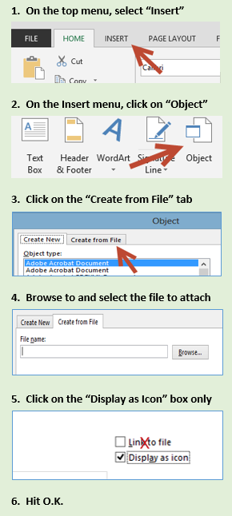
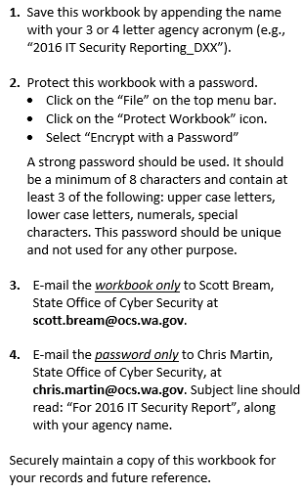
1. Reported Deviations
 | This workbook is to be used to identify all non-compliant deviations to the state IT Security Standards.

2. Employee Training
 | This workbook is to be used to provide information regarding annual employee security awareness training

3. Security Standards Training Needs
 | This workbook provides a place to indicate where your agency would benefit from additional training on one or more sections of the IT Security Standards.

4. Reporting Cover Sheet
 | A copy of the completed reporting cover sheet, signed or initialed by the Agency head is to be attached here.

